Instruction
[Guidelines on Filling Out the Training Application Form and Submission of Supporting Documents]

[General Instruction]

1 | Fill out the application form by computer.

2 | Fill out the application forms and all other documents completely, and do not leave any column or box blank.
 | If the information required is not applicable, put N/A in the particular field.
 | Fill out the form concisely and do not indicate “see attached” with attachments for reference.

3 | Prepare the application document/pre-training report in English.
 | *For non-English courses, if the applicant finds it difficult to fill out the pre-training report in English,
 | he/she may complete the pre-training report only in his/her language.

4 | A4-size Bond Paper shall be used for all pages of application documents including attachments.

5 | Two-sided printing should be avoided. Single-side (one-side) printing is preferable.

[Detailed Instructions to the contents of application form]

1 | First Page:
 | The Managing Director / Top Management or Director of the applicant’s company should fill out page 1.
 | If the applicant is the company owner or the top management, he/she should fill out and sign
 | the said portion.

2 | Applicant's Name:
 | Indicate the applicant’s name with less than 30 characters, including the dots and spaces.
 | If the name is more than 30 characters, shorten it to the 30-character space applicable for a visa.

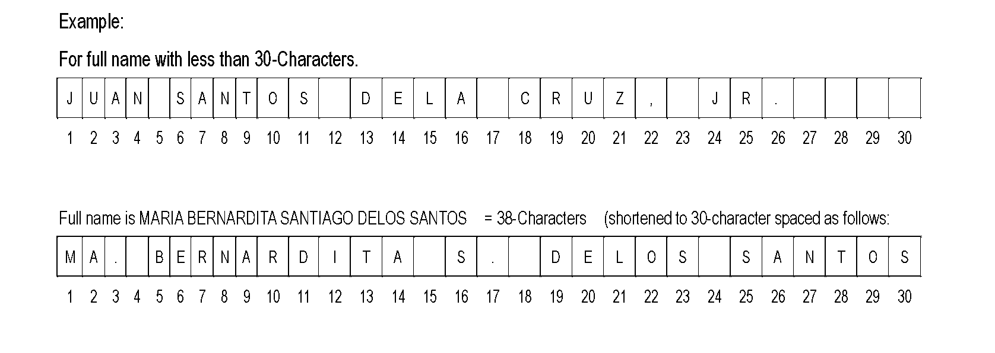

3 | Address:
 | Fill out physical (street) address for home and company.
 | Fill complete addresses of home/company with name of city, district, street number, house number,
 | road number, or landmark (e.g. “Behind the city hall”), etc.
 | Please note that a P.O. Box address is totally unacceptable.

4 | Telephone Number:
 | Fill out home/ company/ mobile telephone number in full including country & area code numbers.

5 | Email Address:
 | Write personal/ company e-mail address at which we can contact the applicant directly.

6 | Educational Background:
 | Write the record consecutively with the full names of schools you attended.

7 | Employment Record:
 | Write your past employment starting the most recent one at the top.

8 | Company Name:
 | Fill out official name of the company in full including “Co.” or “Ltd.” etc. in accordance with the company
 | brochure. If the applicant belongs to more than two companies, he/she must choose one company,
 | and provide information for that company. The name of a group or parent company is incorrect.

9 | Paid Up Capital:
 | Present amount of paid up capital should be written in US dollars, not in local currency.

10 | No. of Employee/Subordinates:
 | Number of Employees & Subordinates should pertain to the company to which the applicant belongs.
 | Write the number of all individuals under the applicant’s position in the company regardless of the
 | immediateness of supervision. The number of employees of the group company should not be included.
 | We will identify the applicant’s rank objectively with the total number of employees of the company
 | and of his/her subordinates.

11 | Relations with Japanese/Foreign Companies:
 | Provide the full name of Japanese and/or foreign private companies including “Co.” or “Ltd.”, etc.,
 | that the applicant’s company has any relations with, in the columns concisely. If no relationship,
 | please check/mark “No”. Do not leave it unchecked. Japanese governmental institutions
 | such as JICA, JETRO, etc. should not be included as they are non-business organizations.

 | (1) | If the company receives direct investment from Japanese private companies headquartered in Japan,
 |  | write their official names and percentage of investment completely.
 |  | Also fill out “Enquiry into Training Contract & Guidelines Form”, and attach to the application
 |  | documents. (An applicant at top management or director level person is also requested to fill the form.)

 | (2) | Fill official name of foreign private companies with country name and percentage of direct Investment
 |  | for Other foreign capital investment.

12 | Position:
 | Fill out the applicant's designation/position (not hierarchy order number of position) along with
 | a description of job in accordance with the organization chart of the company. A generic title such
 | as “manager” is not preferred. Do not use abbreviations related to the company/organization,
 | designation/position, etc., which are only used within the company or locally.

13 | Organization Chart:
 | Please submit the Organization Chart in a separate sheet. In the chart, indicate your position with a mark
 | and describe top management so that we can indentify the applicant's rank objectively.

14 | Language Ability:
 | Check the Language Level of English as well as Japanese correctly, even if the applicant will apply for
 | a program to be conducted in a non-English language.

